Sales Order 313-1001377
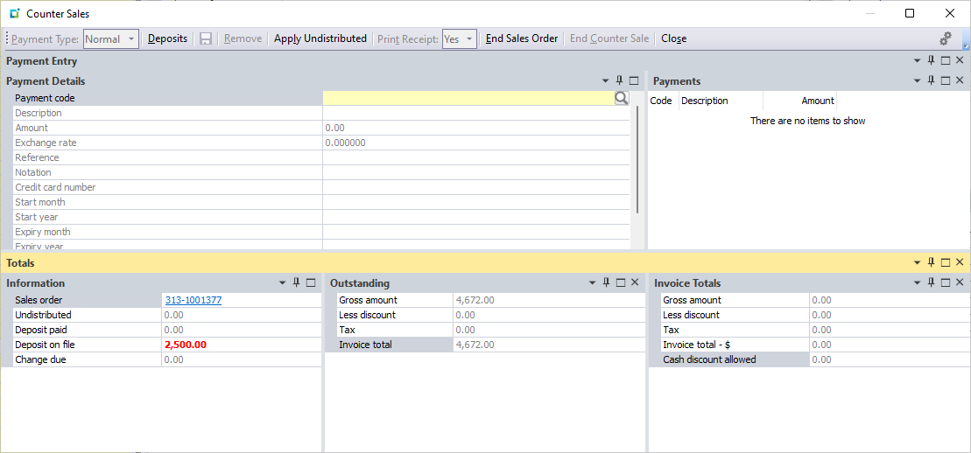
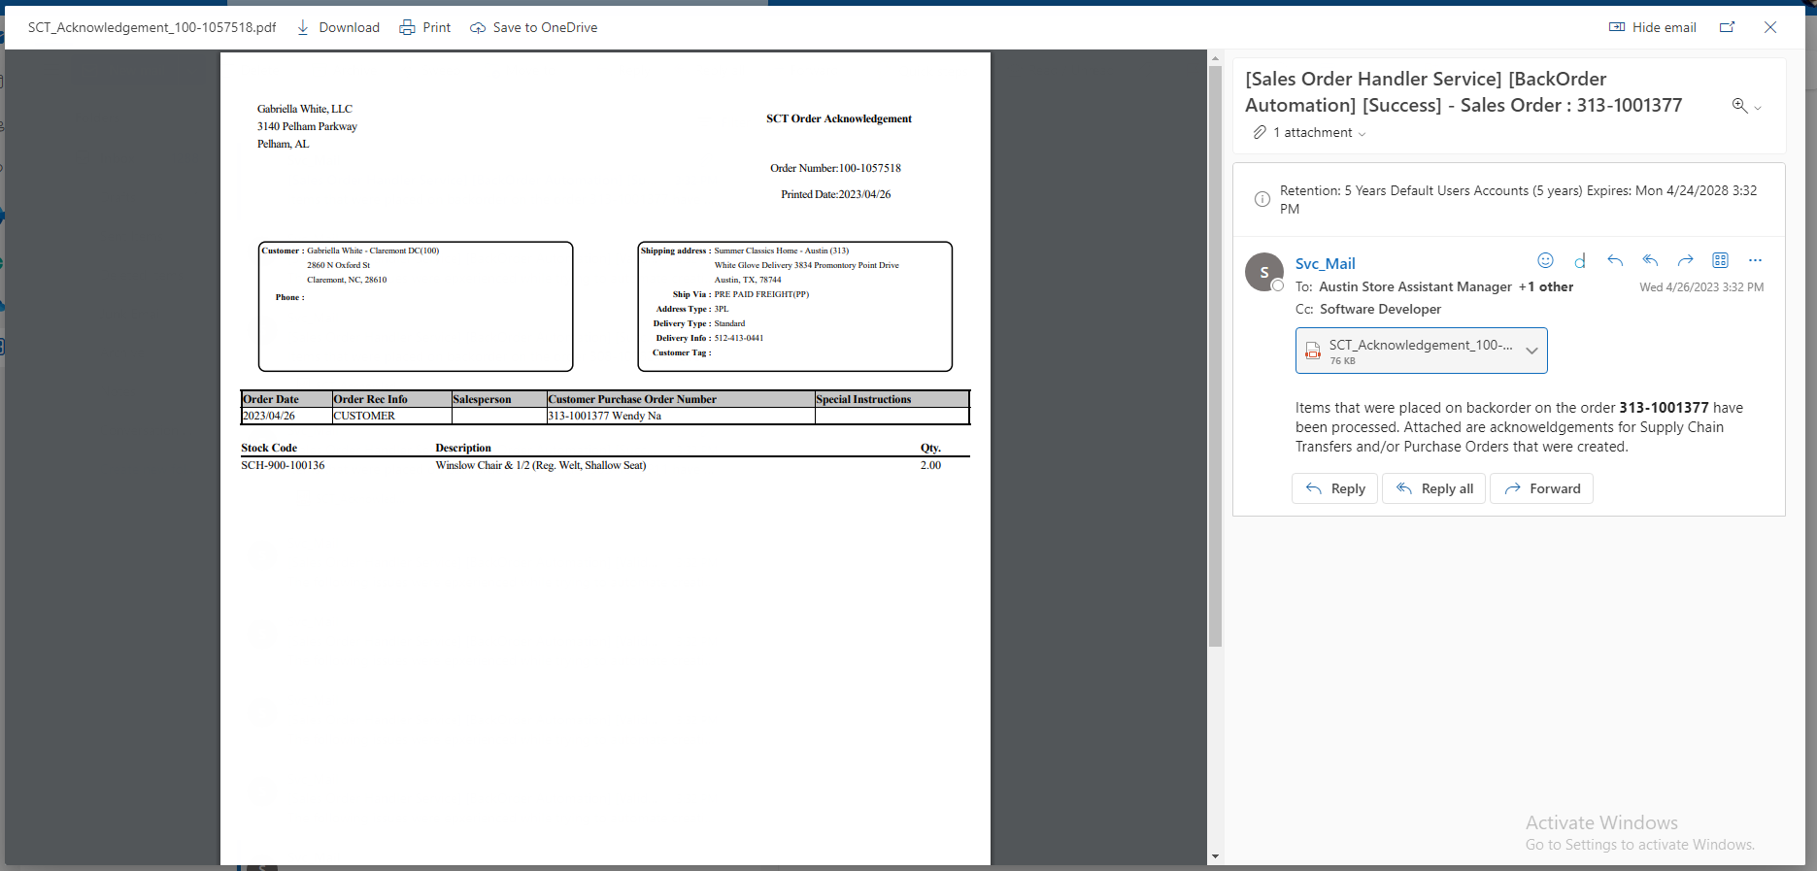
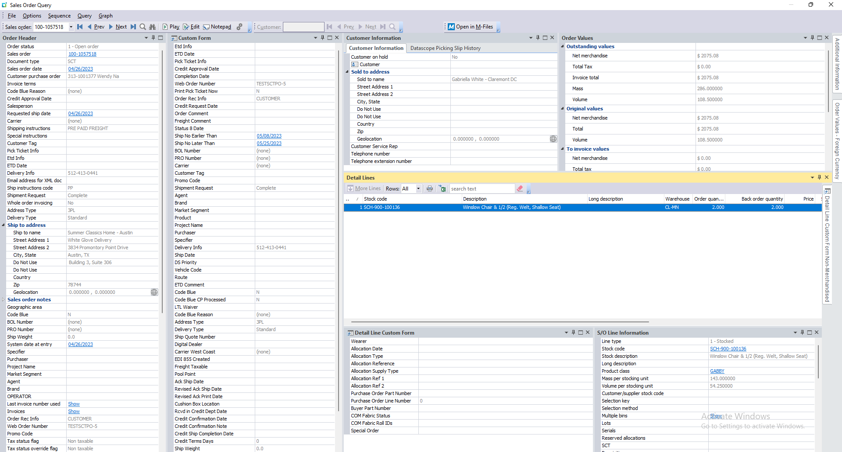
Sales Order | 313-1001377
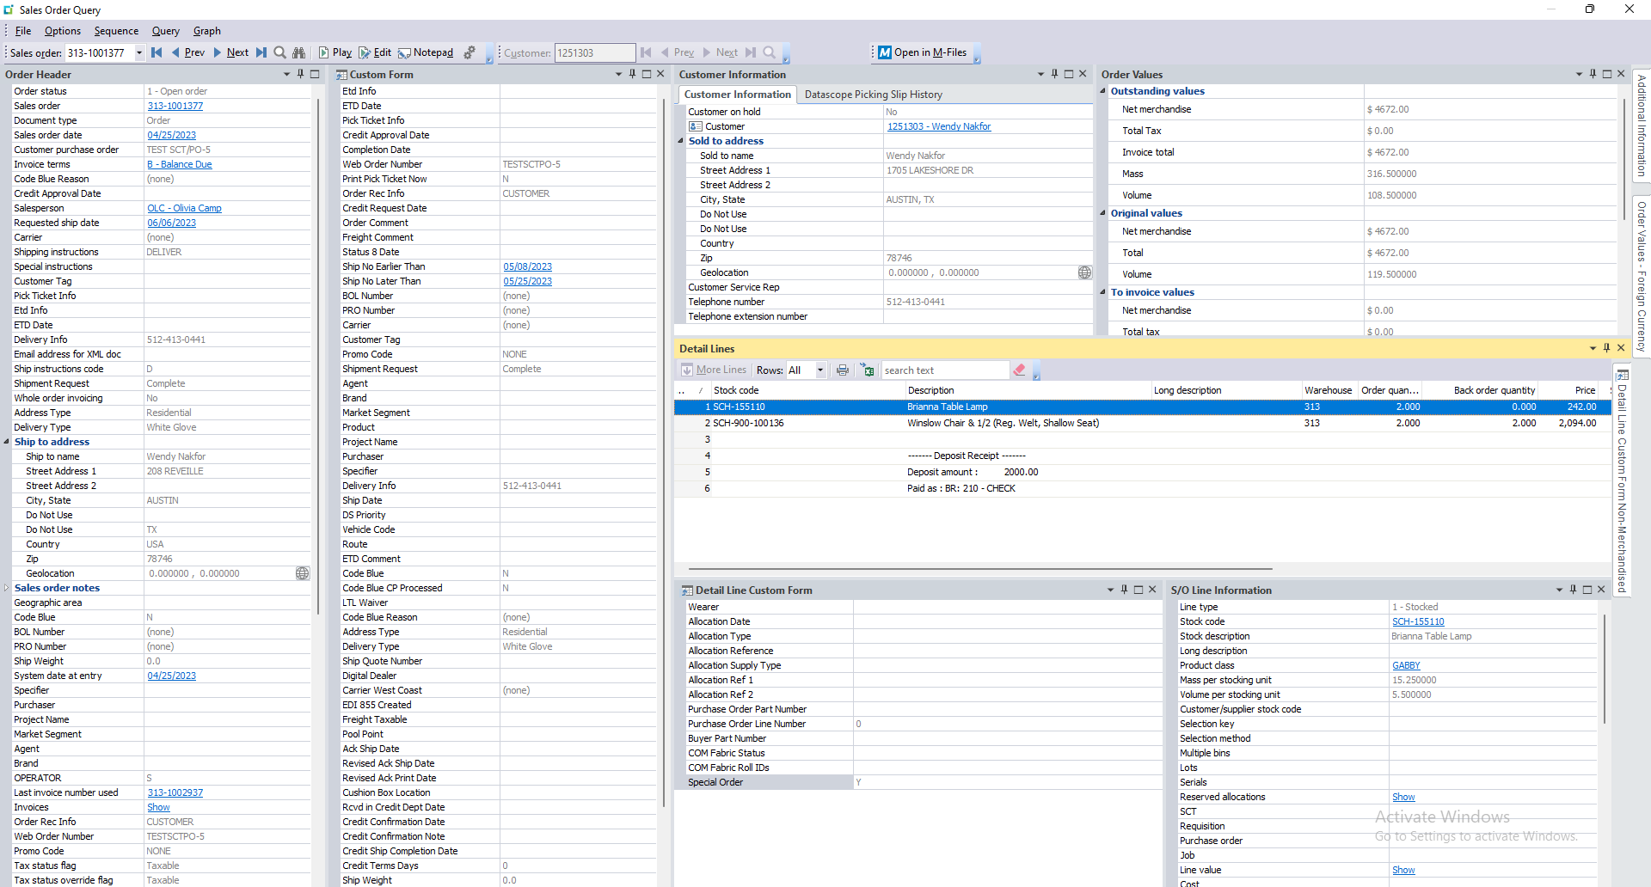

Sales Order Lines
SalesOrder | SalesOrderLine | LineType | MStockCode | MOrderQty | MBackOrderQty | Ncomment | SpecialOrder
313-1001377 | 1 | 1 | SCH-155110 | 2 | 0 |  | Y
313-1001377 | 2 | 1 | SCH-900-100136 | 2 | 2 |  | Y
313-1001377 | 3 | 6 |  | 0 | 0 |  | NULL
313-1001377 | 4 | 6 |  | 0 | 0 | ------- Deposit Receipt ------- | NULL
313-1001377 | 5 | 6 |  | 0 | 0 | Deposit amount : 2000.00 | NULL
313-1001377 | 6 | 6 |  | 0 | 0 | Paid as : BR: 210 - CHECK | NULL

Sales Order 308-1008246
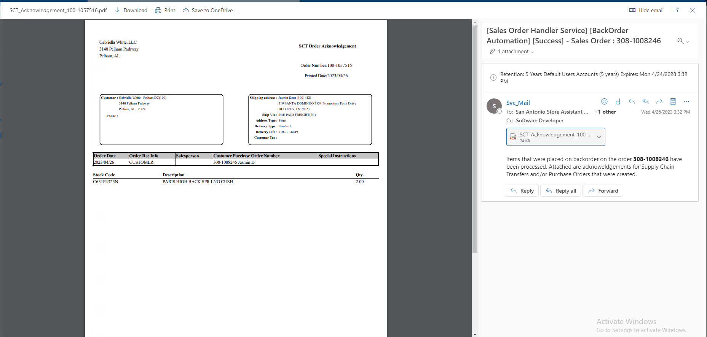
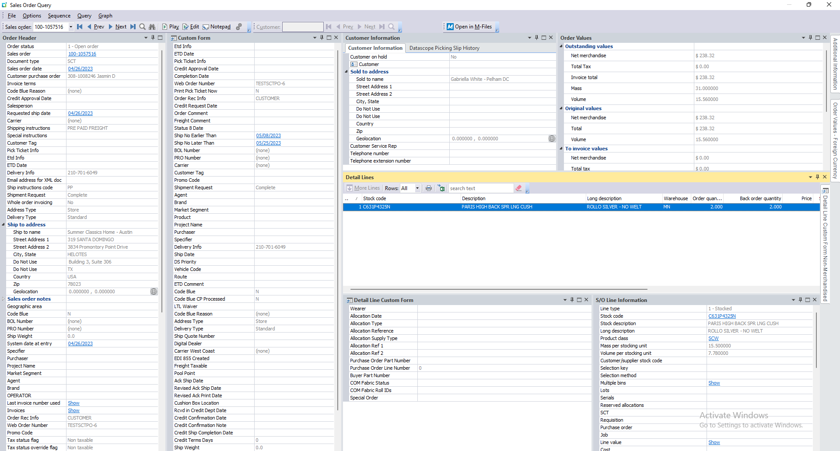
Sales Order | 308-1008246
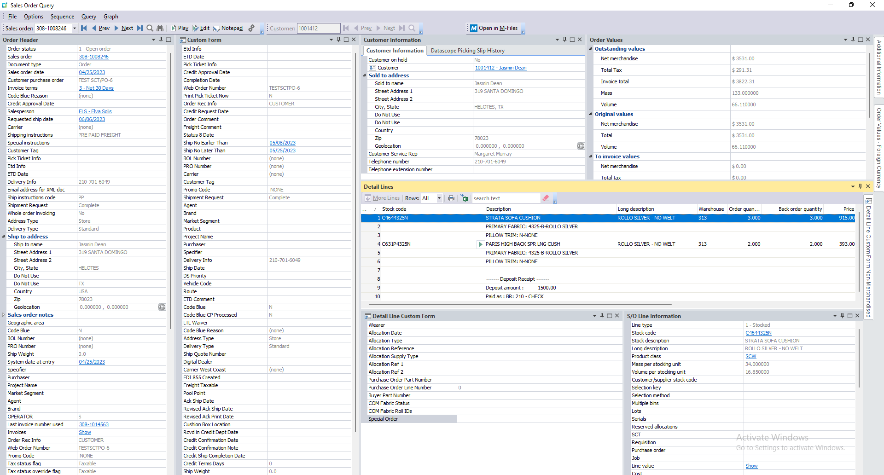

Sales Order Lines
SalesOrder | SalesOrderLine | LineType | MStockCode | MOrderQty | MBackOrderQty | Ncomment | SpecialOrder
308-1008246 | 1 | 1 | C4644325N | 3 | 3 |  | NULL
308-1008246 | 2 | 6 |  | 0 | 0 | PRIMARY FABRIC: 4325-B-ROLLO SILVER | NULL
308-1008246 | 3 | 6 |  | 0 | 0 | PILLOW TRIM: N-NONE | NULL
308-1008246 | 4 | 1 | C631P4325N | 2 | 2 |  | Y
308-1008246 | 5 | 6 |  | 0 | 0 | PRIMARY FABRIC: 4325-B-ROLLO SILVER | NULL
308-1008246 | 6 | 6 |  | 0 | 0 | PILLOW TRIM: N-NONE | NULL
308-1008246 | 7 | 6 |  | 0 | 0 |  | NULL
308-1008246 | 8 | 6 |  | 0 | 0 | ------- Deposit Receipt ------- | NULL
308-1008246 | 9 | 6 |  | 0 | 0 | Deposit amount : 1500.00 | NULL
308-1008246 | 10 | 6 |  | 0 | 0 | Paid as : BR: 210 - CHECK | NULL

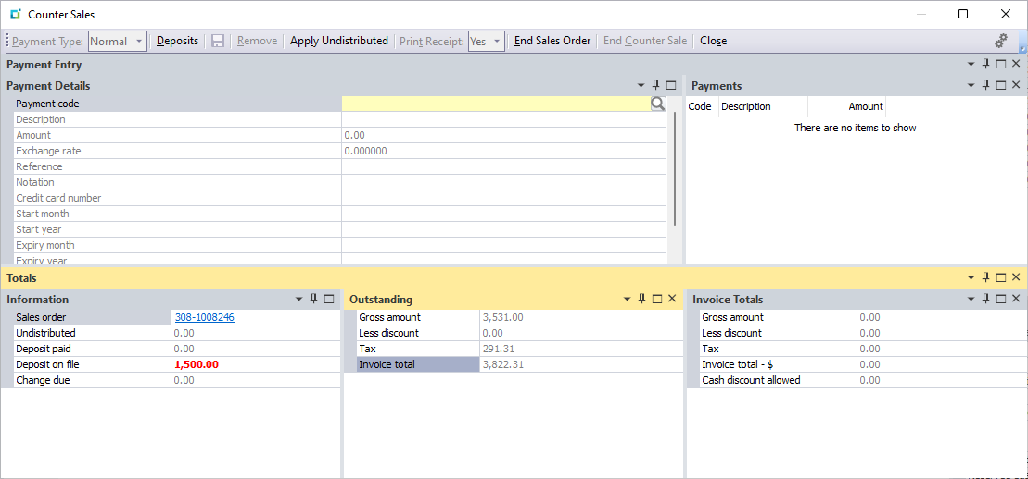

Process 1

Sales Order 305-1010273
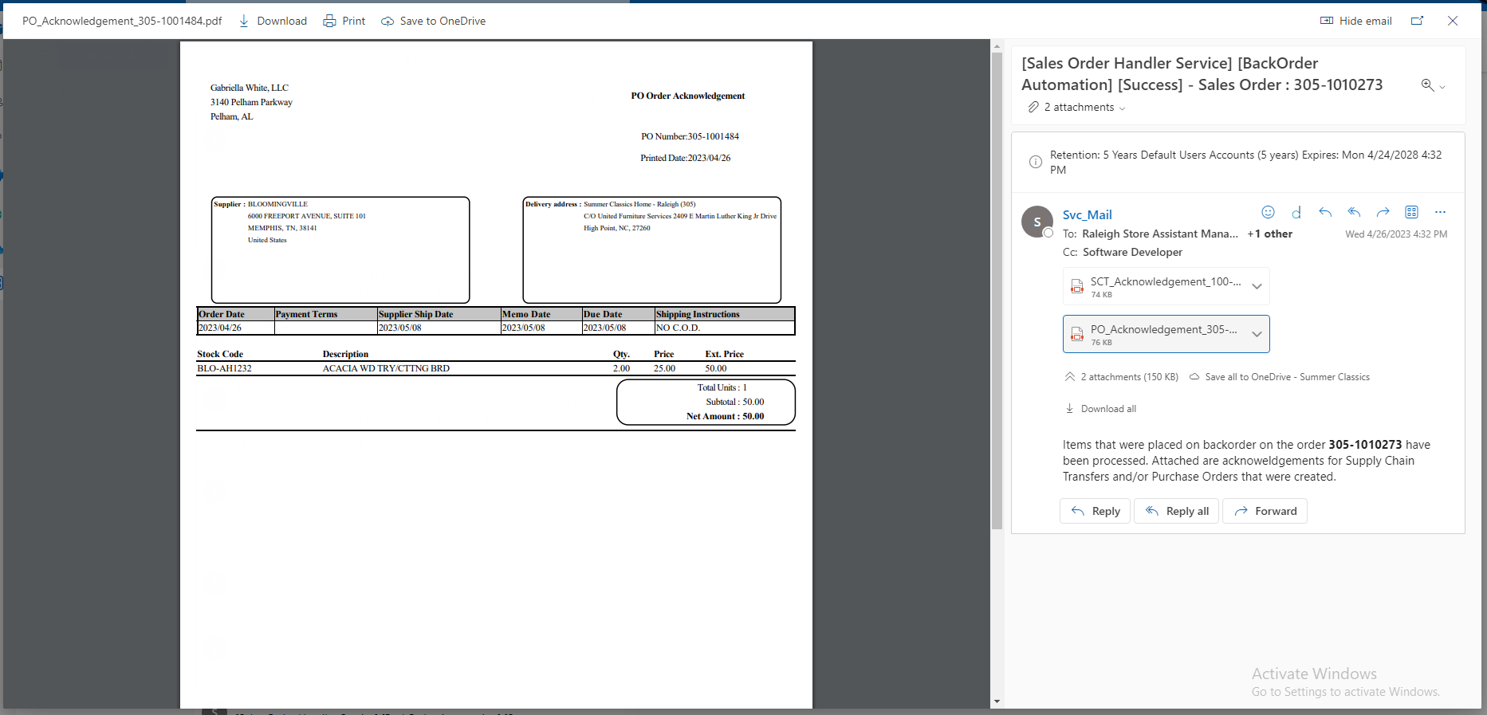
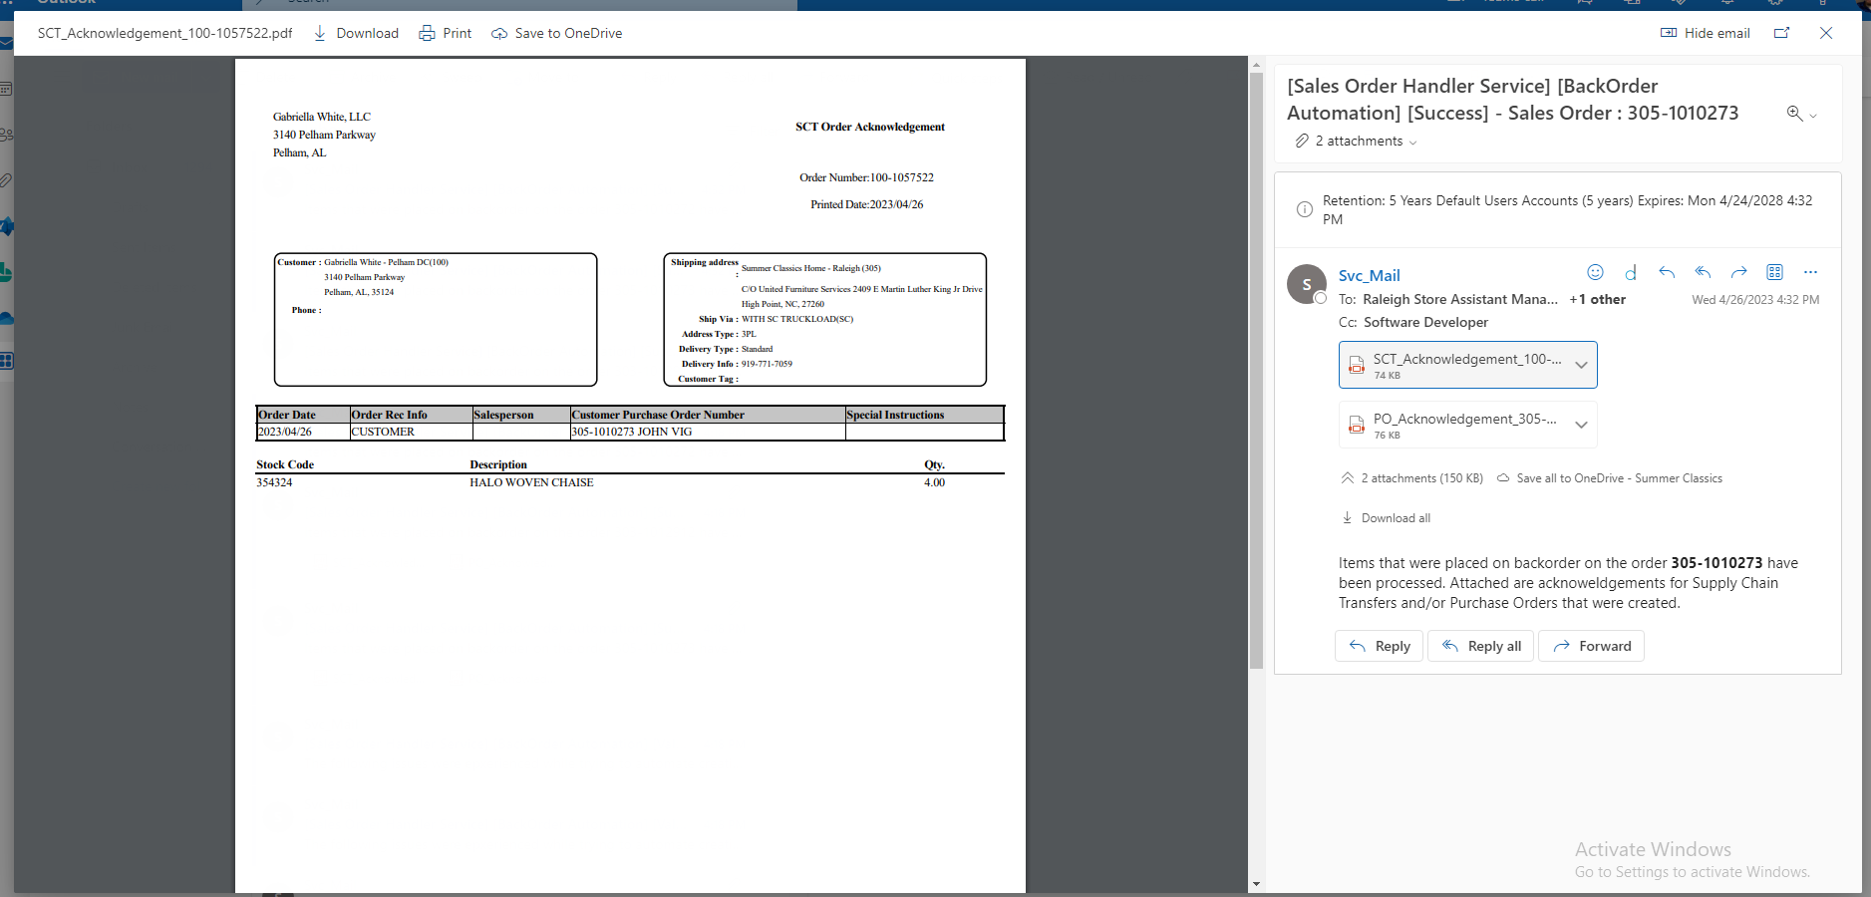
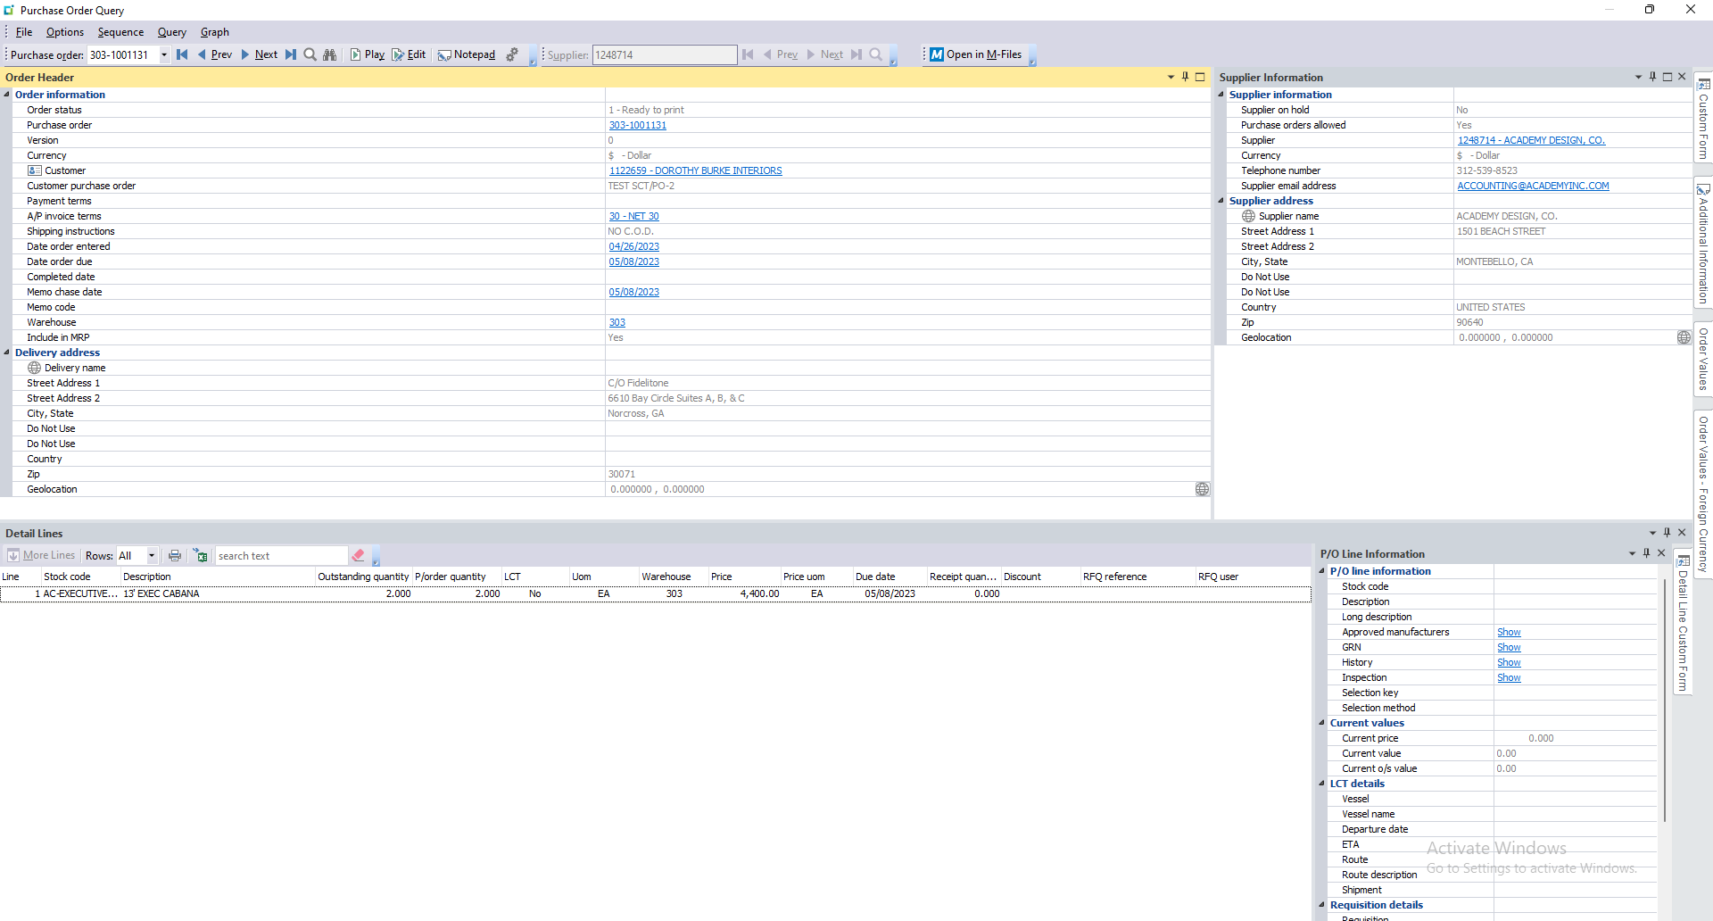
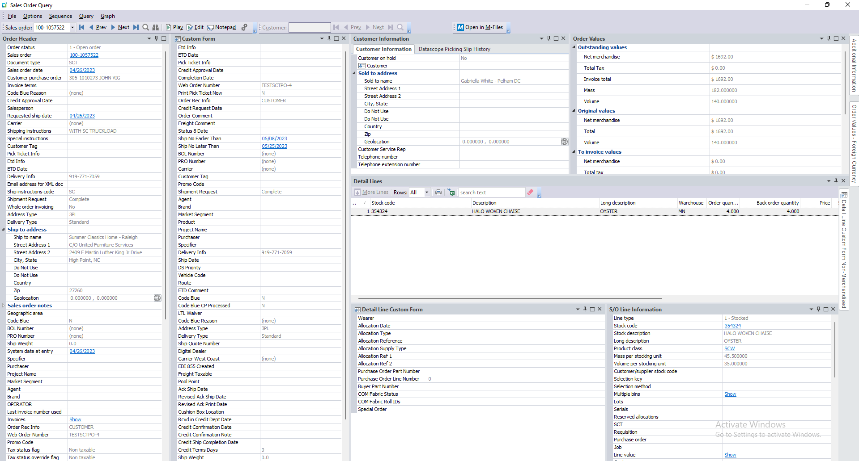
Sales Order | 305-1010273


Sales Order Lines
SalesOrder | SalesOrderLine | LineType | MStockCode | MOrderQty | MBackOrderQty | Ncomment | SpecialOrder
305-1010273 | 1 | 1 | TG-CP121S | 1 | 0 |  | Y
305-1010273 | 2 | 1 | BLO-AH1232 | 2 | 2 |  | Y
305-1010273 | 3 | 1 | 354324 | 4 | 4 |  | Y
305-1010273 | 4 | 6 |  | 0 | 0 |  | NULL
305-1010273 | 5 | 6 |  | 0 | 0 | ------- Deposit Receipt ------- | NULL
305-1010273 | 6 | 6 |  | 0 | 0 | Deposit amount : 1000.00 | NULL
305-1010273 | 7 | 6 |  | 0 | 0 | Paid as : BR: 210 - CHECK | NULL



Process 1
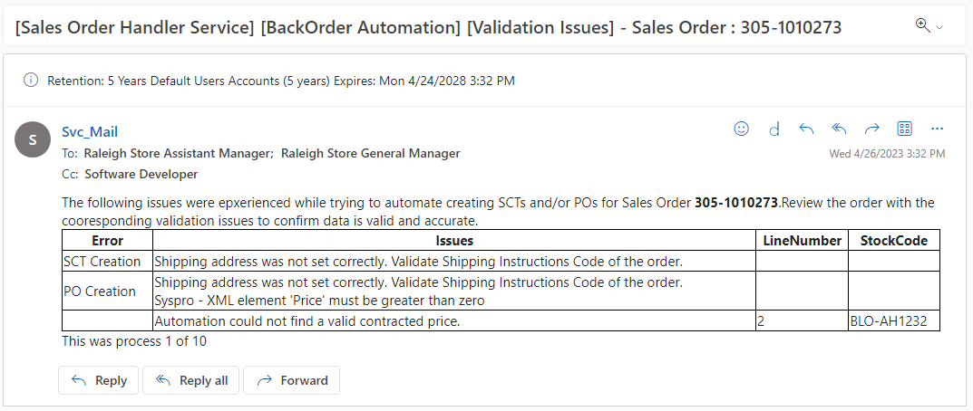

Action 1
Error |  |  | Resolution
Shipping address was not set correctly |  |  | This error means that the Shipping Matrix that was set up does not have the values that this sales order was set to. Shipping Instructions Code of PU is not within the matrix. Updating the code on the retail order will fix the issue. Changing PU to PU-WH
Automation could not find a valid contracted price Syspro - XML element 'Price' must be greater than zero. |  |  | Both of these errors refer to the same thing. Line 2 does not have valid pricing. Updating the pricing for this line item will resolve the issue.

Process 2

Sales Order 305-1010272
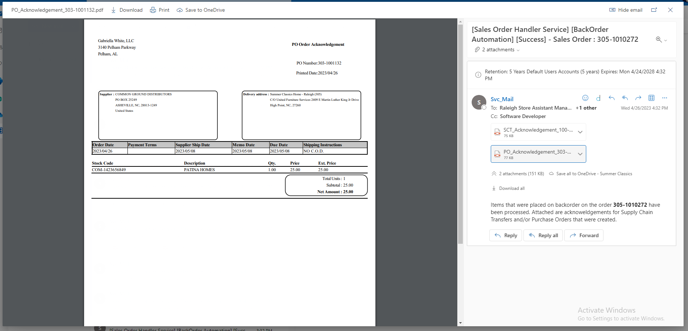
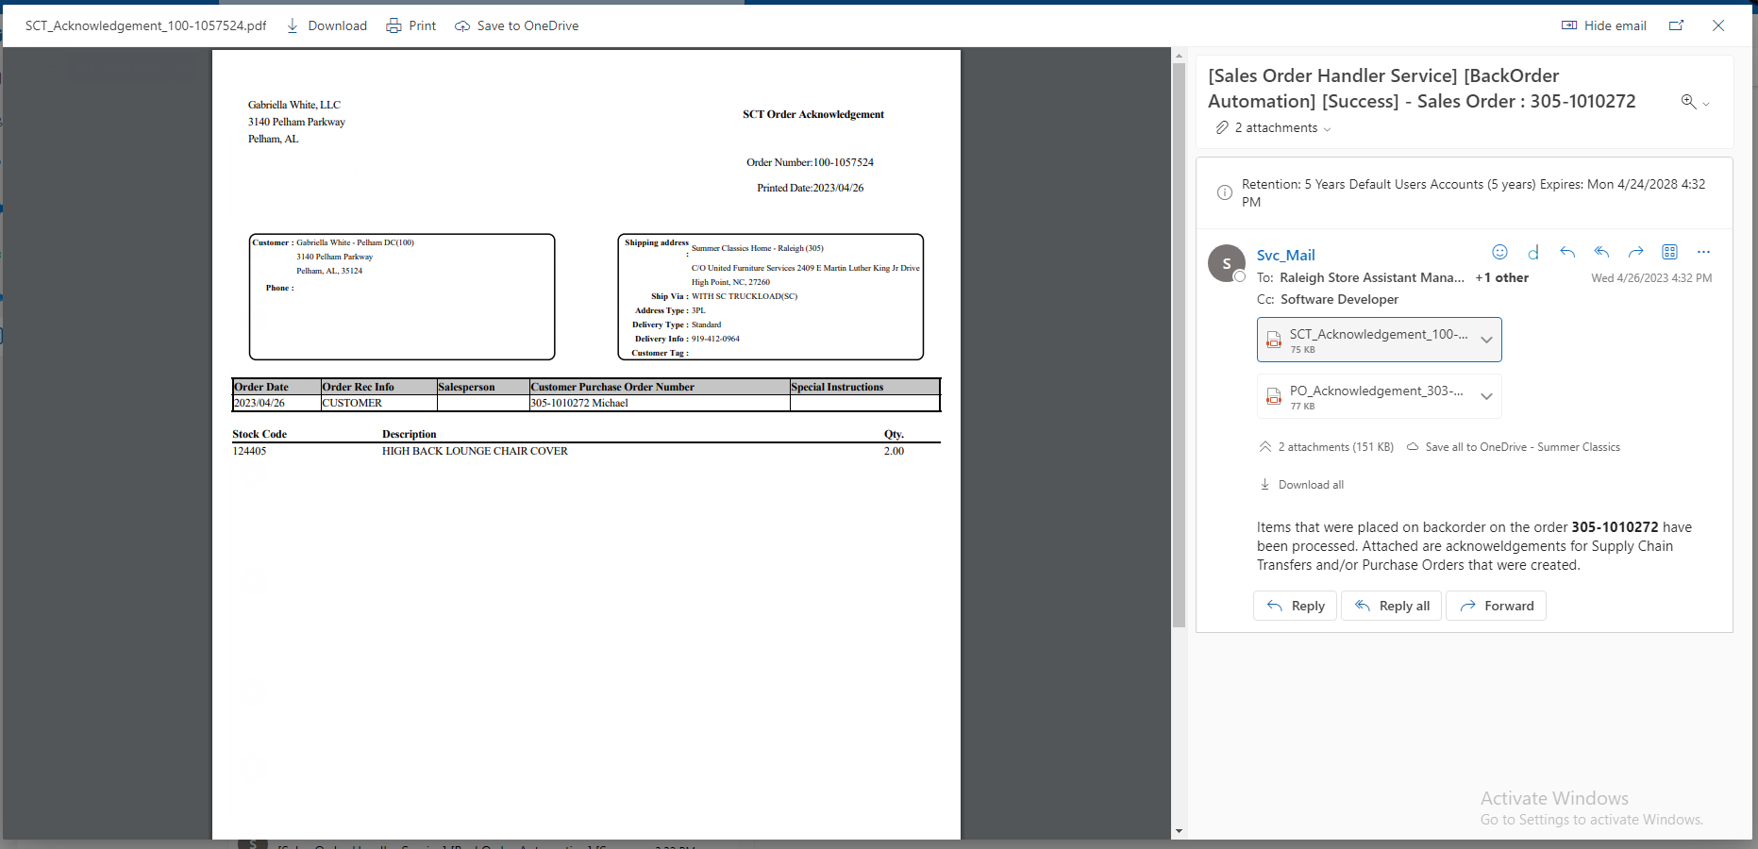
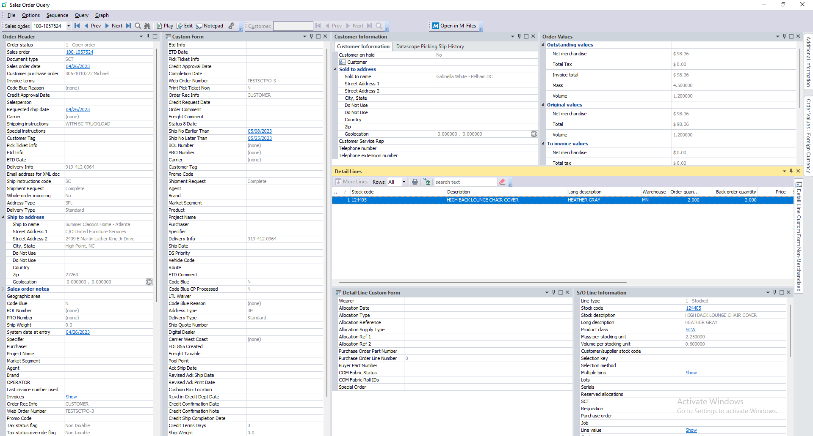
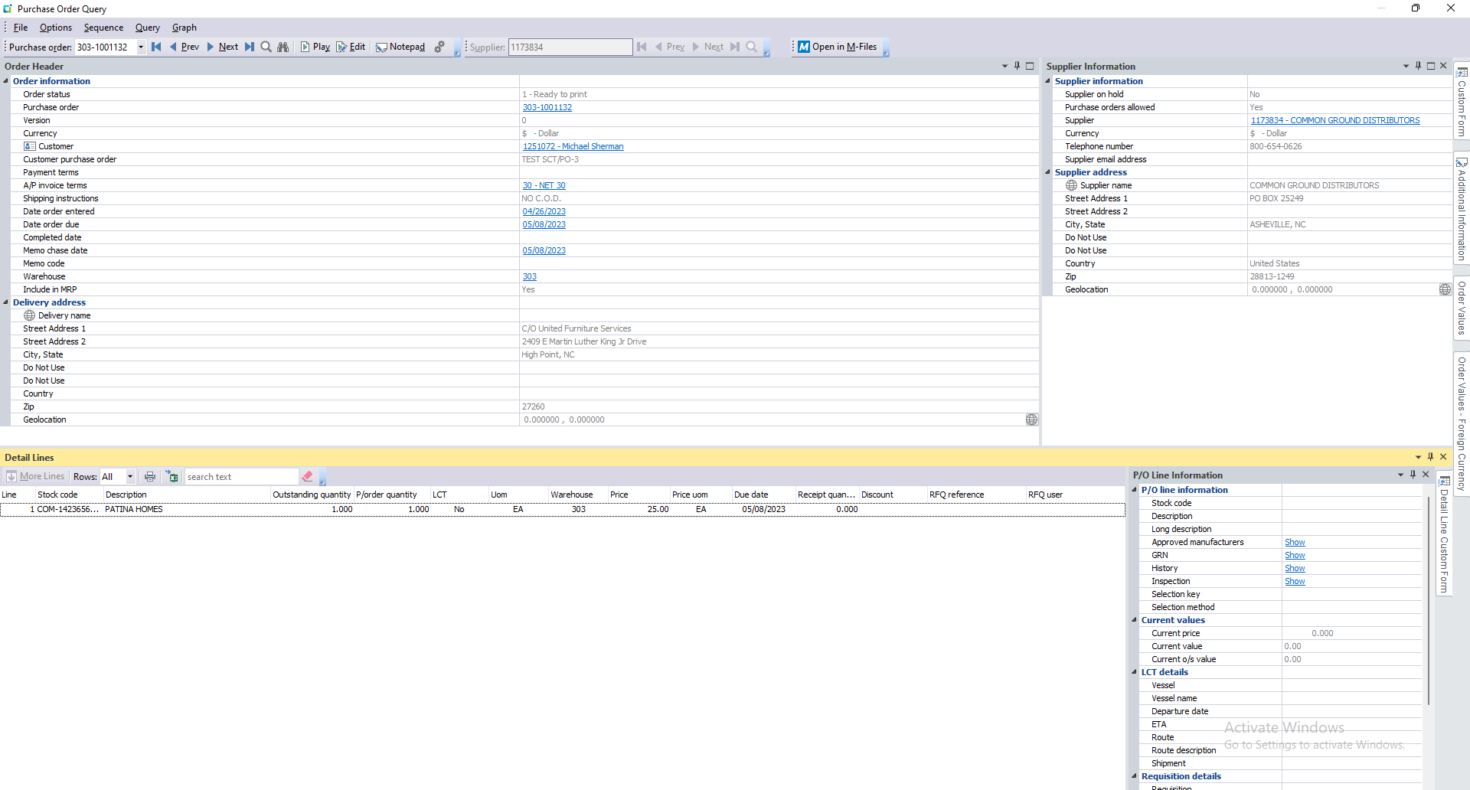
Sales Order | 305-1010272
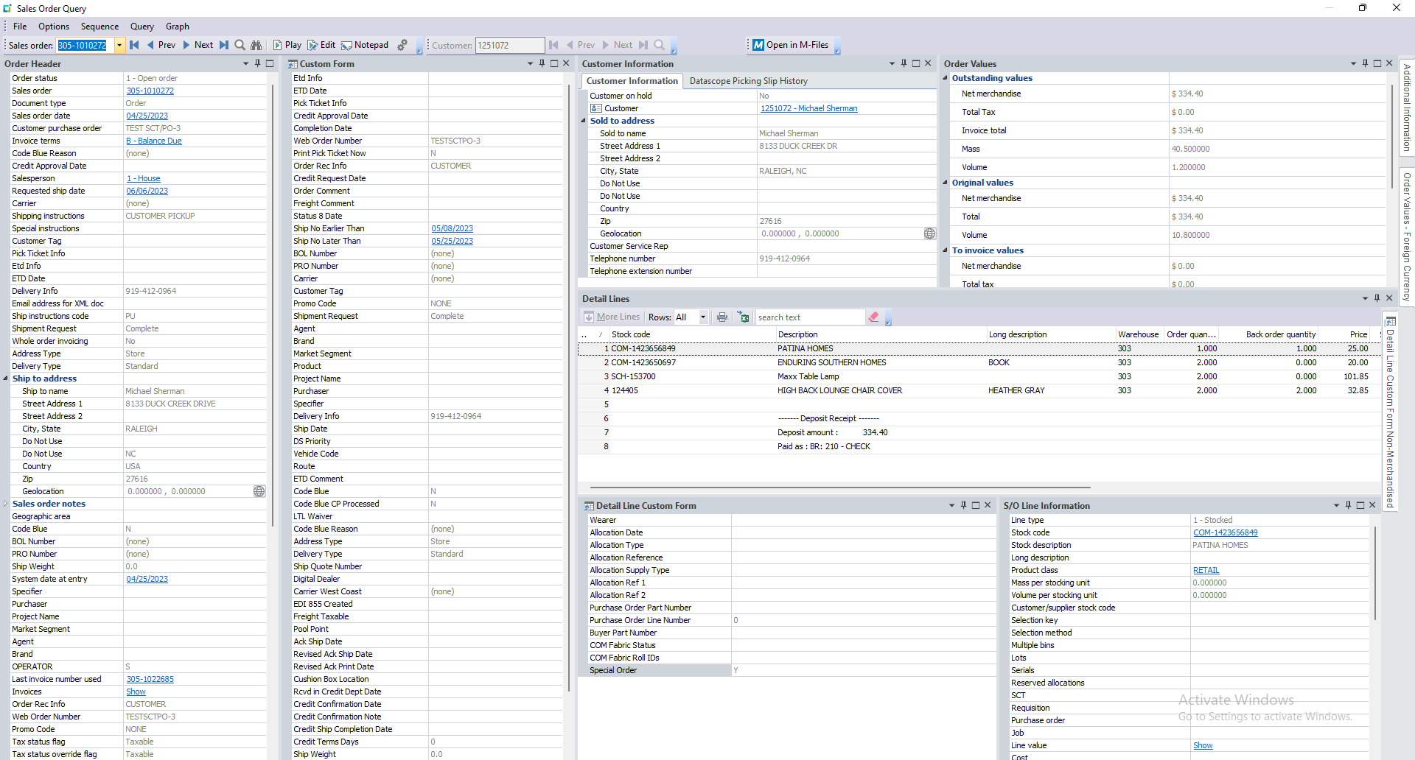

Sales Order Lines
SalesOrder | SalesOrderLine | LineType | MStockCode | MOrderQty | MBackOrderQty | Ncomment | SpecialOrder
305-1010272 | 1 | 1 | COM-1423656849 | 1 | 1 |  | Y
305-1010272 | 2 | 1 | COM-1423650697 | 2 | 0 |  | Y
305-1010272 | 3 | 1 | SCH-153700 | 2 | 0 |  | Y
305-1010272 | 4 | 1 | 124405 | 2 | 2 |  | Y
305-1010272 | 5 | 6 |  | 0 | 0 |  | NULL
305-1010272 | 6 | 6 |  | 0 | 0 | ------- Deposit Receipt ------- | NULL
305-1010272 | 7 | 6 |  | 0 | 0 | Deposit amount : 334.40 | NULL
305-1010272 | 8 | 6 |  | 0 | 0 | Paid as : BR: 210 - CHECK | NULL

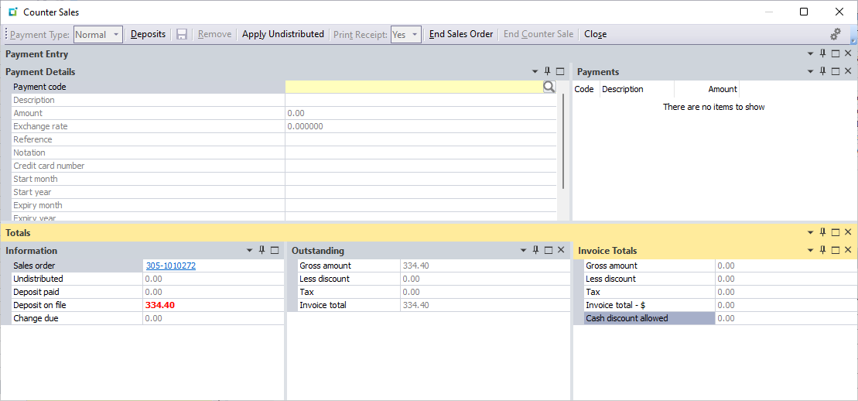

Process 1

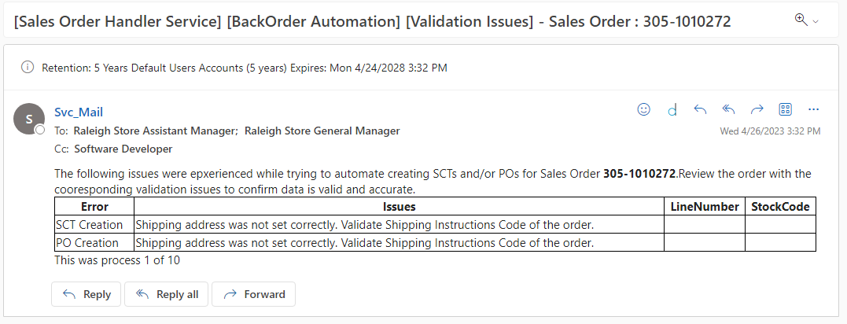

Action 1
Error |  |  | Resolution
Shipping address was not set correctly. Validate Shipping Instructions Code of the order. |  |  | Selecting a defined shipping Instructions code on the retail order wile resolve this issue. Changing PU to D.

Process 2

Sales Order 303-1012911
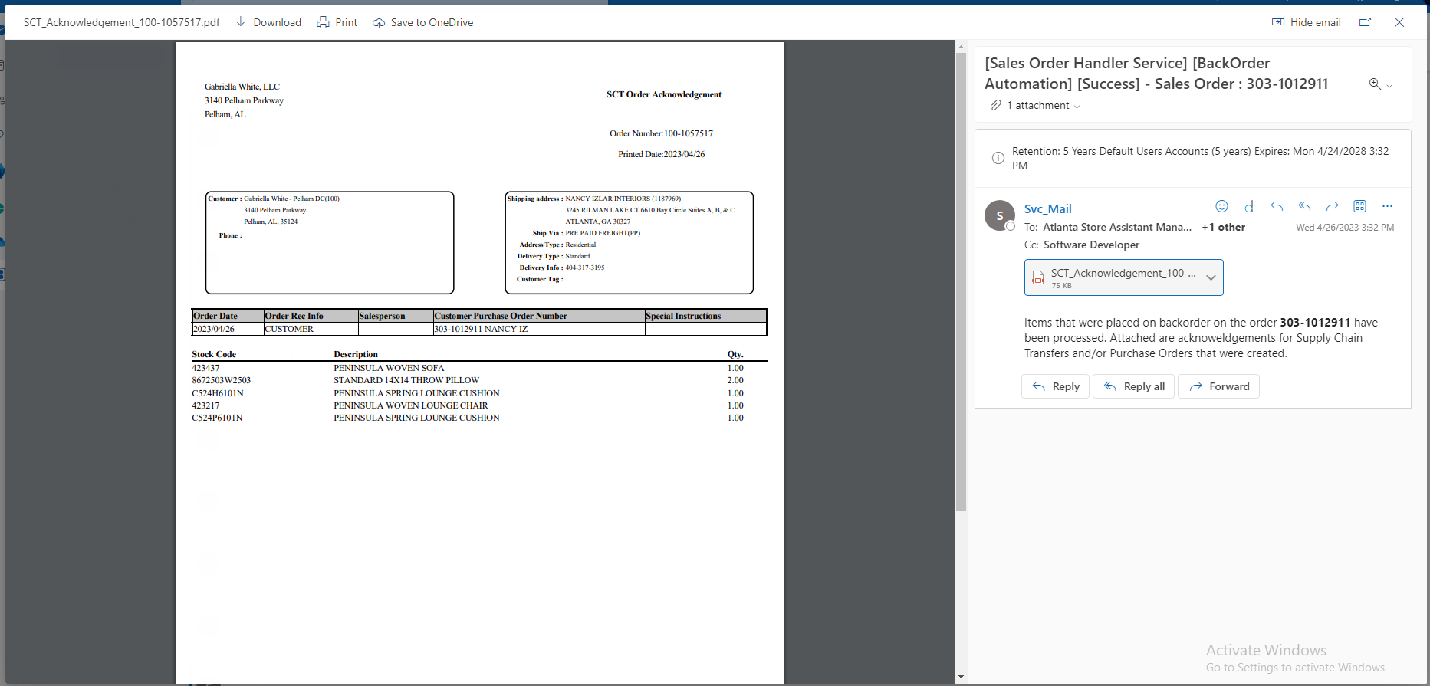
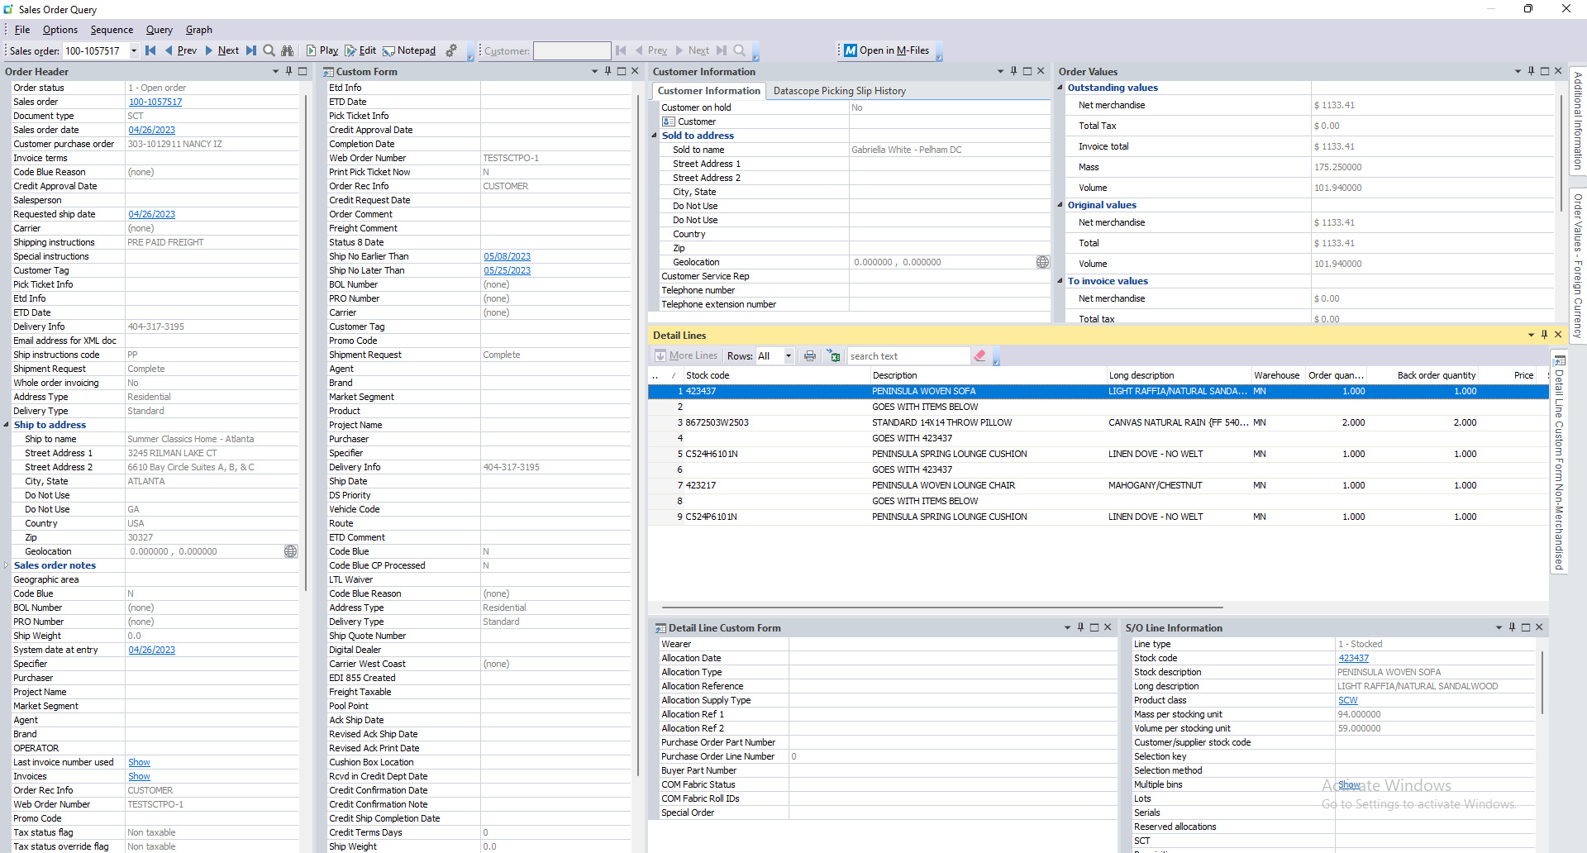
Sales Order | 303-1012911

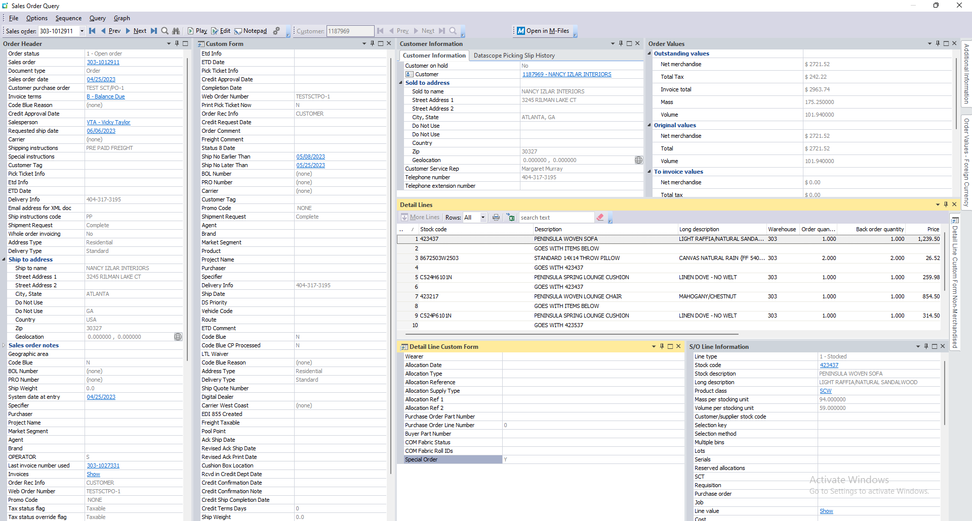

Sales Order Lines
SalesOrder | SalesOrderLine | LineType | MStockCode | MOrderQty | MBackOrderQty | Ncomment | SpecialOrder
303-1012911 | 1 | 1 | 423437 | 1 | 1 |  | Y
303-1012911 | 2 | 6 |  | 0 | 0 | GOES WITH ITEMS BELOW | NULL
303-1012911 | 3 | 1 | 8672503W2503 | 2 | 2 |  | Y
303-1012911 | 4 | 6 |  | 0 | 0 | GOES WITH 423437 | NULL
303-1012911 | 5 | 1 | C524H6101N | 1 | 1 |  | Y
303-1012911 | 6 | 6 |  | 0 | 0 | GOES WITH 423437 | NULL
303-1012911 | 7 | 1 | 423217 | 1 | 1 |  | Y
303-1012911 | 8 | 6 |  | 0 | 0 | GOES WITH ITEMS BELOW | NULL
303-1012911 | 9 | 1 | C524P6101N | 1 | 1 |  | Y
303-1012911 | 10 | 6 |  | 0 | 0 | GOES WITH 423537 | NULL
303-1012911 | 15 | 6 |  | 0 | 0 |  | NULL
303-1012911 | 16 | 6 |  | 0 | 0 | ------- Deposit Receipt ------- | NULL
303-1012911 | 17 | 6 |  | 0 | 0 | Deposit amount : 1750.00 | NULL
303-1012911 | 18 | 6 |  | 0 | 0 | Paid as : BR: 210 - CHECK | NULL
303-1012911 | 19 | 6 |  | 0 | 0 | Total deposit : 1752.00 | NULL



Process 1

Sales Order 303-1012912
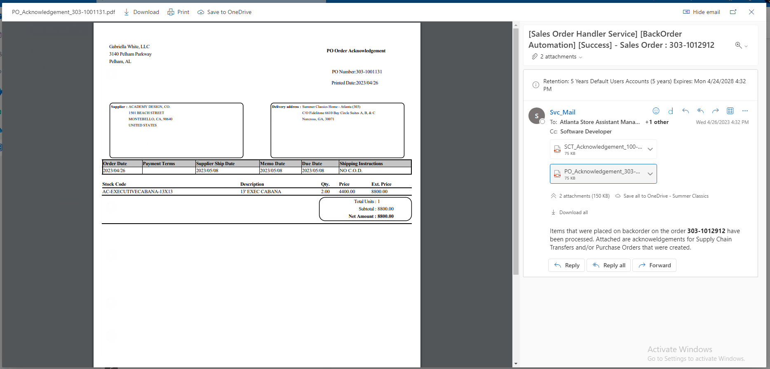
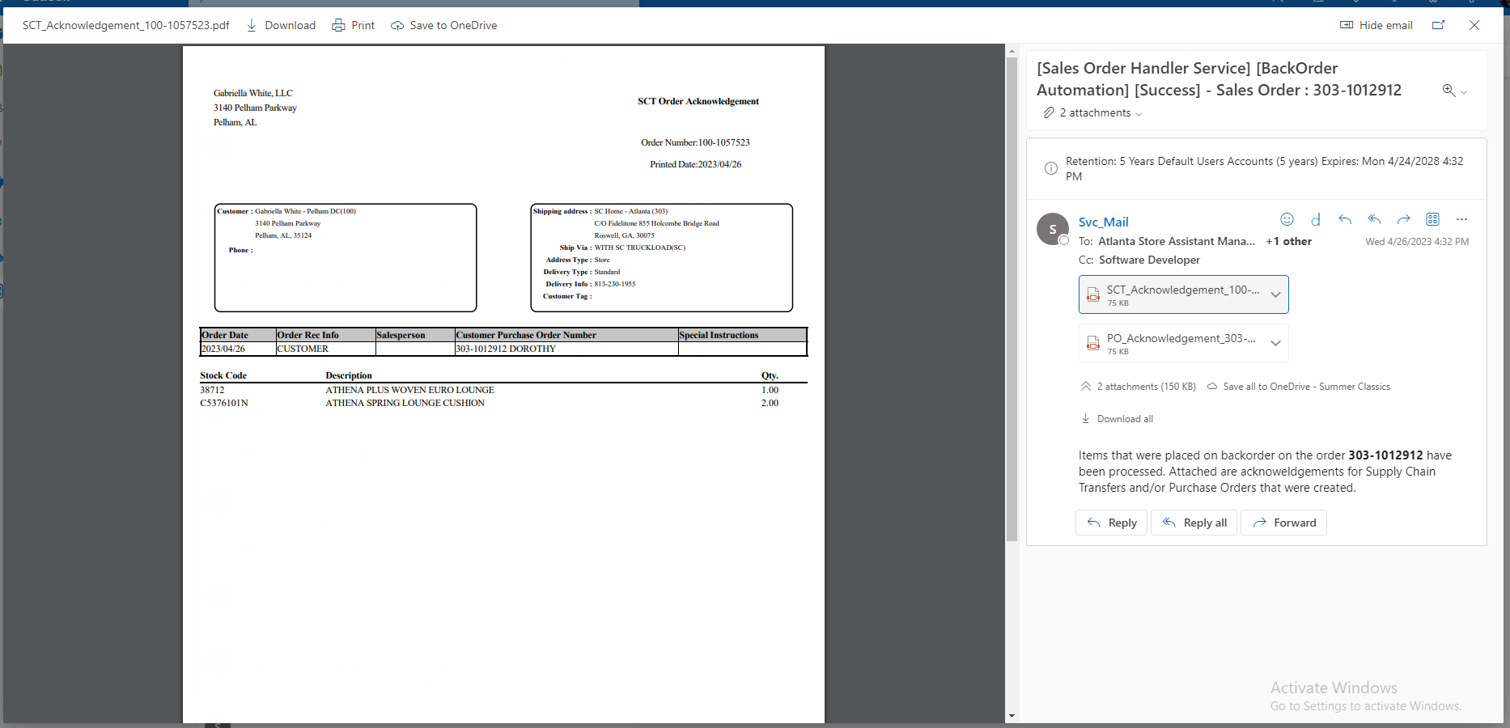
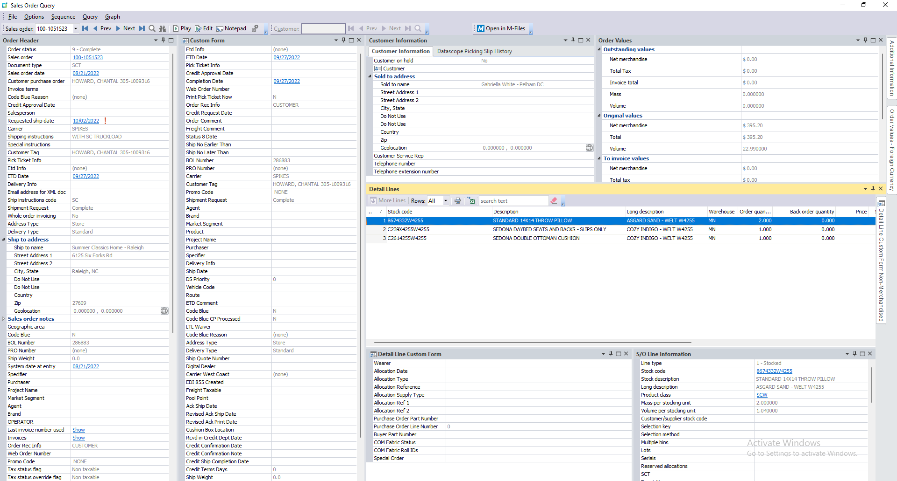
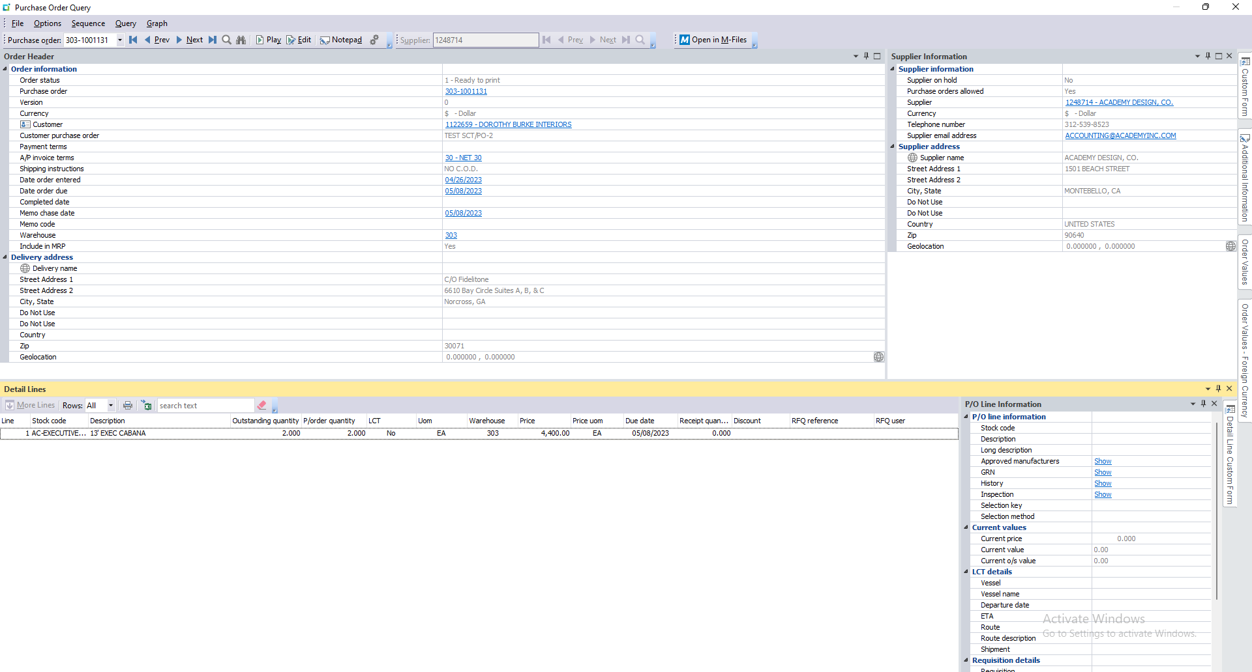
Sales Order | 303-1012912

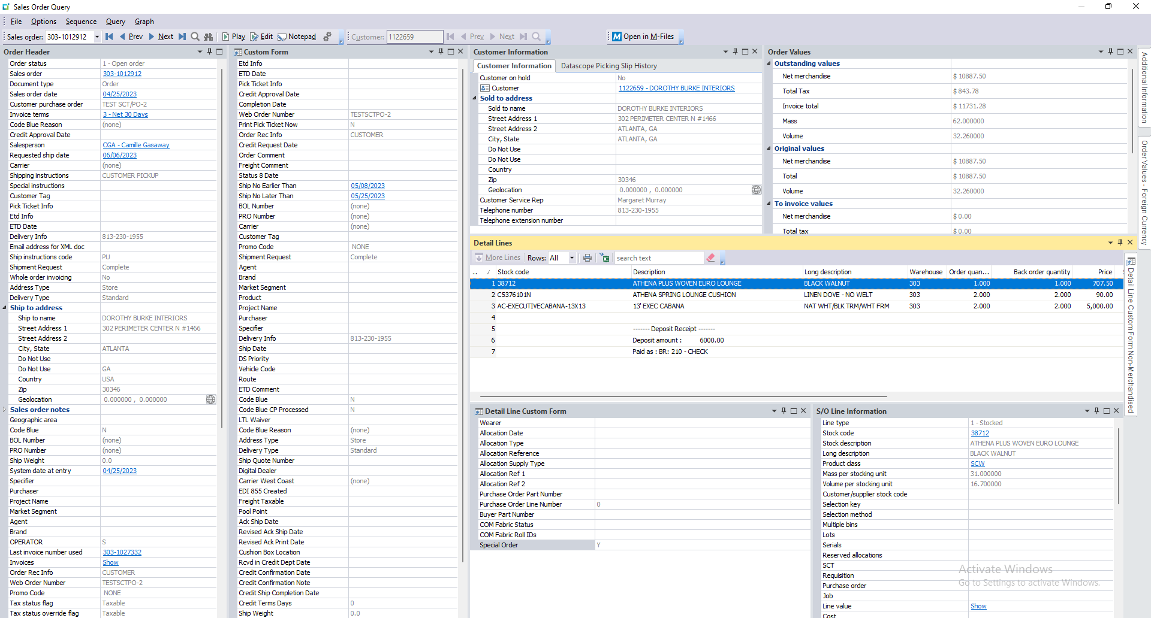

Sales Order Lines
SalesOrder | SalesOrderLine | LineType | MStockCode | MOrderQty | MBackOrderQty | Ncomment | SpecialOrder
303-1012912 | 1 | 1 | 38712 | 1 | 1 |  | Y
303-1012912 | 2 | 1 | C5376101N | 2 | 2 |  | Y
303-1012912 | 3 | 1 | AC-EXECUTIVECABANA-13X13 | 2 | 2 |  | Y
303-1012912 | 4 | 6 |  | 0 | 0 |  | NULL
303-1012912 | 5 | 6 |  | 0 | 0 | ------- Deposit Receipt ------- | NULL
303-1012912 | 6 | 6 |  | 0 | 0 | Deposit amount : 6000.00 | NULL
303-1012912 | 7 | 6 |  | 0 | 0 | Paid as : BR: 210 - CHECK | NULL

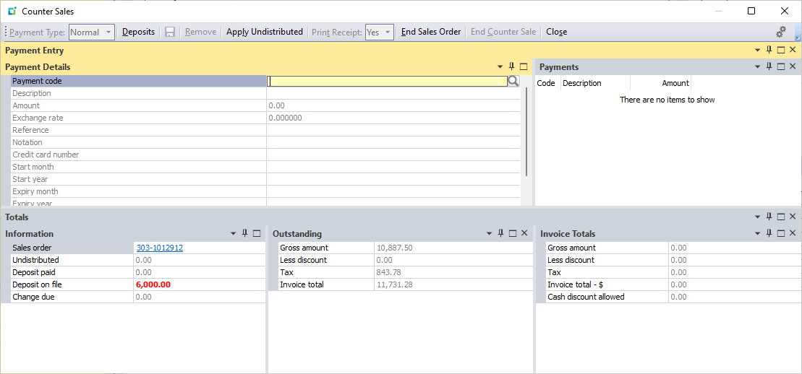

Process 1

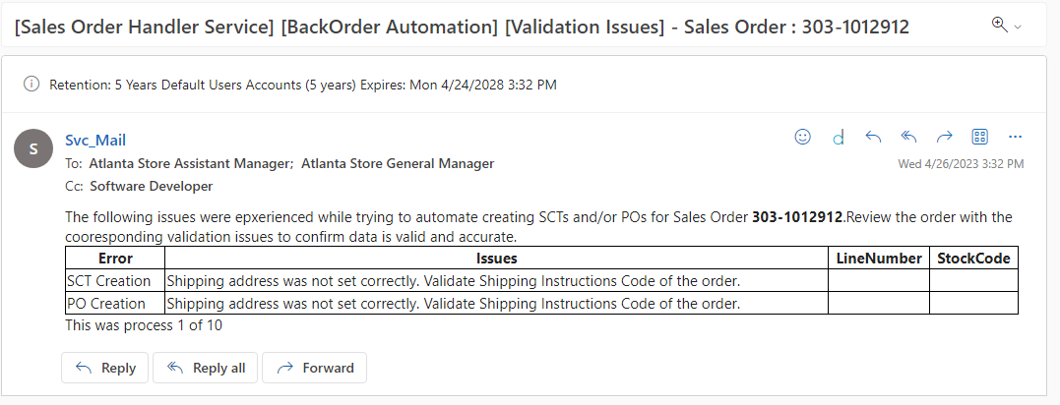

Action 1
Error |  |  | Resolution
Shipping address was not set correctly. Validate Shipping Instructions Code of the order. |  |  | Selecting a defined shipping Instructions code on the retail order wile resolve this issue. Changing PU to PU-ST.

Process 2

